IPM Regions to LDAs and Zones
IPM Regions | Locational Deliverability Areas or LDAs (27 unique boldfaces) | Transmission/Load Zones (21 unique black boldfaces) | Parent 2 | Parent 1 | Parent 0 | level | IPM Regions | Transmission Zones | fraction
PJM_COMD | ComEd | ComEd | Western PJM [WEST] | RTO | RTO | 2 | PJM_EMAC | AE [AECO] | 0.085790538422 | AE
PJM_West | AEP | AEP | Western PJM [WEST] | RTO | RTO | 2 |  | PSEG [PS] | 0.31876587665 | PS
PJM_West | Dayton [DAY] | Dayton [DAY] | Western PJM [WEST] | RTO | RTO | 2 |  | PECO | 0.26302340036 | PECO
PJM_West | Duquesne [DLCO or DUQ] | Duquesne [DLCO or DUQ] | Western PJM [WEST] | RTO | RTO | 2 |  | JCPL | 0.19285810518 | JCPL
PJM_AP | APS [AP] | APS [AP] | Western PJM [WEST] | RTO | RTO | 2 |  | DPL | 0.12702879529 | DPL
PJM_ATSI | ATSI | ATSI | Western PJM [WEST] | RTO | RTO | 2 |  | RECO | 0.012533284084 | RECO
PJM_West | DEOK | DEOK | Western PJM [WEST] | RTO | RTO | 2
PJM_West | EKPC | EKPC | Western PJM [WEST] | RTO | RTO | 2 | PJM_SMAC | BGE | 0.52321670099 | BGE
PJM_West |  | OVEC | Western PJM [WEST] | RTO | RTO | 2 |  | PEPCO | 0.47678329901 | PEPCO
PJM_Dom | Dominion [DOM] | Dominion [DOM] | RTO | RTO | RTO | 1
PJM_WMAC | MetEd | MetEd | WMAAC | MAAC | RTO | 3 | PJM_WMAC | MetEd | 0.29032707247 | METED
PJM_WMAC | PPL [PL]+UGI | PPL [PL]+UGI | WMAAC | MAAC | RTO | 3 |  | PPL [PL]+UGI | 0.70967292753 | PL
PJM_PENE | Penelec [PENLC] | Penelec [PENLC] | WMAAC | MAAC | RTO | 3
PJM_EMAC | AE [AECO] | AE [AECO] | EMAAC | MAAC | RTO | 3 | PJM_West | AEP | 0.6209763257 | AEP
PJM_EMAC | PSEG [PS] | PSEG [PS] | EMAAC | MAAC | RTO | 3 |  | Dayton [DAY] | 0.09103539004 | DAY
PJM_EMAC | PECO | PECO | EMAAC | MAAC | RTO | 3 |  | Duquesne [DLCO or DUQ] | 0.077469870762 | DLCO
PJM_EMAC | JCPL | JCPL | EMAAC | MAAC | RTO | 3 |  | DEOK | 0.14798640419 | DEOK
PJM_EMAC | DPL | DPL | EMAAC | MAAC | RTO | 3 |  | EKPC | 0.060062068398 | EKPC
PJM_EMAC |  | RECO | EMAAC | MAAC | RTO | 3 |  | OVEC | 0.0024699409055 | OVEC
PJM_SMAC | BGE | BGE | SWMAAC | MAAC | RTO | 3 | Notes: Average of fraction of Net Peak Load (MW) 2022-2031, see inputs/CAPSTF - Model Inputs 28 03 2023.xlsx, download from: https://www.pjm.com/-/media/DotCom/committees-groups/task-forces/capstf/postings/analysis-1-inputs-annual-outputs-final.zip; See IPM Regions fractions sheet for detailed calculation.
PJM_SMAC | PEPCO | PEPCO | SWMAAC | MAAC | RTO | 3
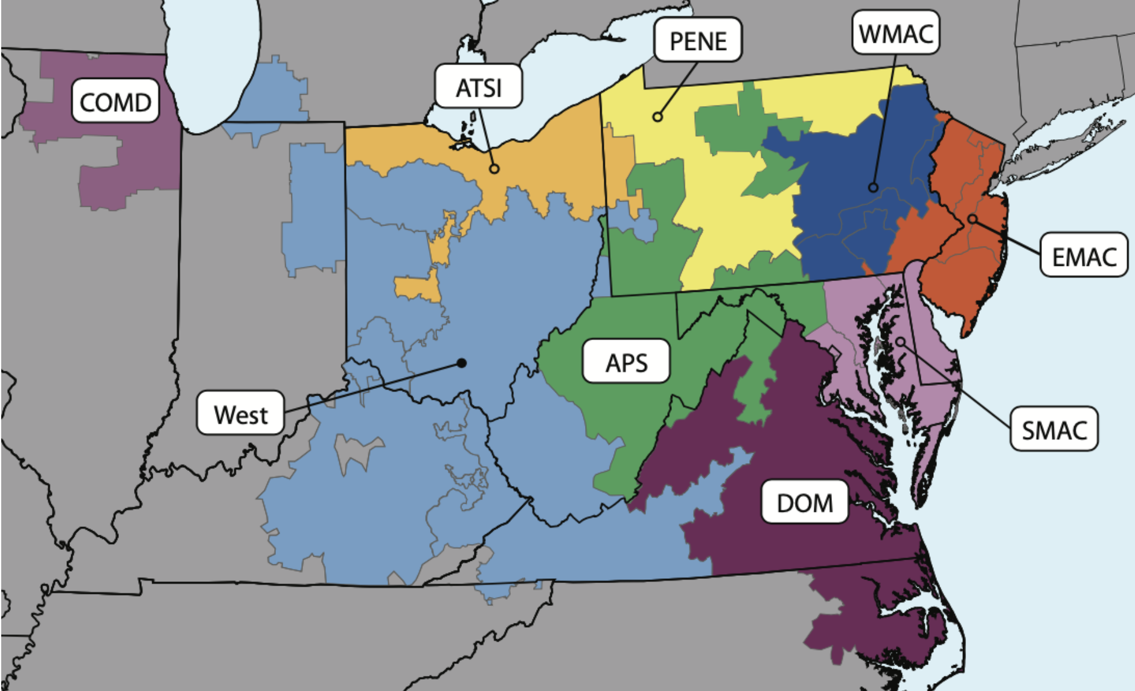
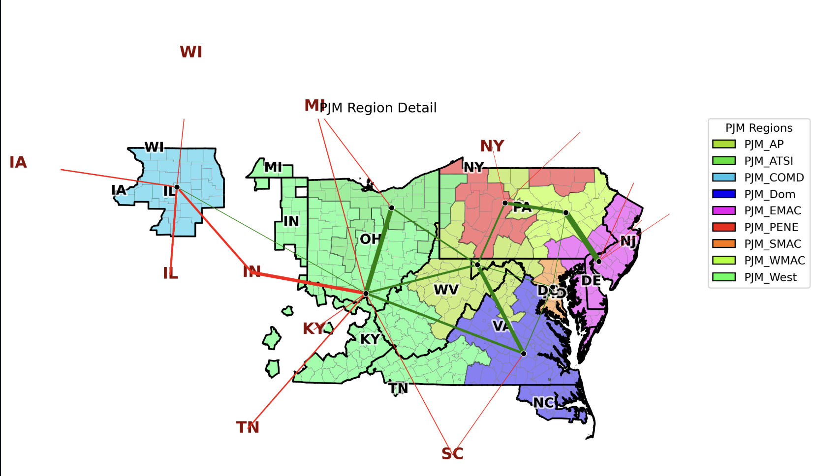
 |  |  |  |  |  |  |  |  |  |  | Notes: See https://www.pjm.com/library/-/media/B7455E69D97B45FFB390EEFAD84AD50D.ashx
 |  |  |  |  |  |  |  |  |  |  | PJM Zone | ZONE
 |  |  |  |  |  |  |  |  |  |  | APS | Allegheny Power Systems (AP)
 |  |  |  |  |  |  |  |  |  |  | AEP | American Electric Power (AEP)
 |  |  |  |  |  |  |  |  |  |  | ATSI | American Transmission Systems, Inc. (ATSI)
 |  |  |  |  |  |  |  |  |  |  | AE | Atlantic City Electric Co. (AE)
 |  |  |  |  |  |  |  |  |  |  | BGE | Baltimore Gas and Electric Co. (BGE)
 |  |  |  |  |  |  |  |  |  |  | ComEd | Commonwealth Edison Company (ComEd)
 |  |  |  |  |  |  |  |  |  |  | DAY | Dayton Power & Light Co. (DAY)
 |  |  |  |  |  |  |  |  |  |  | DPL | Delmarva Power & Light Co. (DP&L)
 |  |  |  |  |  |  |  |  |  |  | Dominion | Dominion (Dominion)
 |  |  |  |  |  |  |  |  |  |  | DEOK | Duke Energy Ohio and Kentucky Corp. (DEO&K)
 |  |  |  |  |  |  |  |  |  |  | DLCO | Duquesne Light Co. (DLCO)
 |  |  |  |  |  |  |  |  |  |  | EKPC | East Kentucky Power Cooperative (EKPC)
 |  |  |  |  |  |  |  |  |  |  | JCPL | Jersey Central Power & Light (JCP&L)
 |  |  |  |  |  |  |  |  |  |  | METED | Met-Ed (METED)
 |  |  |  |  |  |  |  |  |  |  | OVEC | Ohio Valley Electric Corp. (OVEC)
 |  |  |  |  |  |  |  |  |  |  | PPL | PPL Electric Utilities (PPL)
 |  |  |  |  |  |  |  |  |  |  | PECO | PECO Energy Co. (PECO)
 |  |  |  |  |  |  |  |  |  |  | PENELEC | Pennsylvania Electric Co. (PENELEC)
 |  |  |  |  |  |  |  |  |  |  | PEPCO | Potomac Electric Power Co. (PEPCO)
 |  |  |  |  |  |  |  |  |  |  | PSEG | PSEG (PSEG)
Notes: Consistent with EPA Zonal Model (ICARUS PJM Data, on the right), see Figure 2, page 12, https://nicholasinstitute.duke.edu/sites/default/files/publications/coalition-stability-PJM-exploring-consequences-state-defection-wholesale-market_0.pdf |  |  |  |  |  |  |  |  |  |  | RECO | Rockland Electric Co. (RECO)

Target Region (Left Map) | Constituent Zones (Right Map) | Notes
West | AEP, DAY, DUKE (DEOK), EKPC, OVEC, DUQ (DLCO) | The "West" region aggregates all the Ohio/KY/IN zones plus Duquesne (Pittsburgh).
WMAC (Western MAAC) | PPL, MEC (Met-Ed) | Covers Eastern PA (excluding Philly). Note that Penelec (PE) is often distinct in these maps.
PENE | PE (Penelec) | The yellow region covers Northern/Central PA. Sometimes grouped with WMAC in other contexts, but distinct here.
EMAC (Eastern MAAC) | PSEG, JCPLC (JCP&L), ACEC (Atlantic City), REC (RECO), PECO, DPL (Delmarva) | Covers NJ, Philadelphia, and the Delmarva Peninsula.
SMAC (Southwestern MAAC) | BGE, PEPCO | Covers the Baltimore and D.C. metro areas.
APS | APS (Allegheny Power) | Remains a distinct region in both maps (Green).
ATSI | ATSI (American Transmission Systems) | Remains a distinct region in both maps (Orange, Northern OH/PA).
COMD | COMED (ComEd) | Remains a distinct region in both maps (Purple, Chicago area).
DOM | DOM (Dominion) | Remains a distinct region in both maps (Dark Purple, VA/NC).

